literature
https://www.haaretz.com/israel-news/.premium.MAGAZINE-israeli-expert-trump-is-right-about-covid-19-who-is-wrong-1.8691031?v=CDBFACA5662E8174BA824BAD929EA12B&fbclid=IwAR1nOI7rVKvnhQf0mLisfXK1FaMfum-HUhq3PEqQh5I9souIfrLxiMBHT40
https://www.telegraph.co.uk/global-health/science-and-disease/everyone-wants-coronavirus-data-should-treat-numbers-caution/?fbclid=IwAR0SgAeQgt7HzuY3fjhKmYREOeQp_JagCm1sTu6XGXCRDQJ90iWrHhs5Mo4

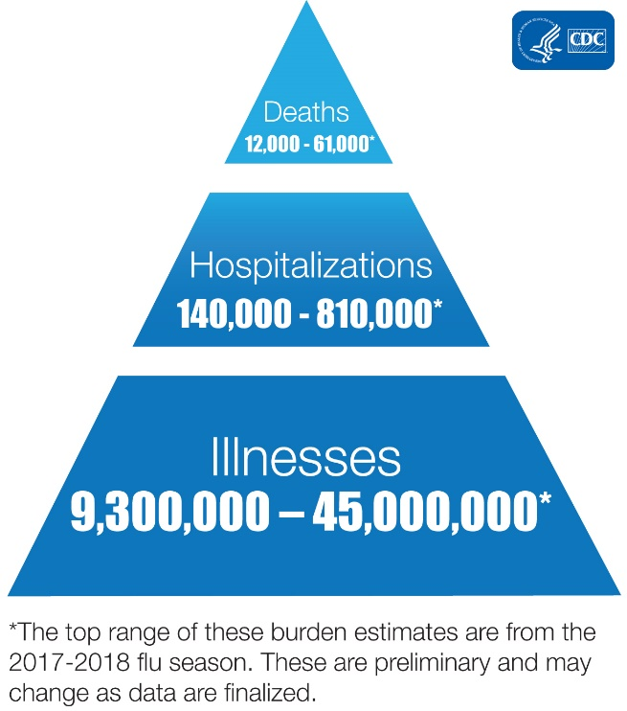
https://www.sciencedirect.com/science/article/pii/S1201971219303285#bib0025
https://pubmed.ncbi.nlm.nih.gov/32133832/?fbclid=IwAR3LHLplRtmPZED3jt_Hjf2ZKysmDcXMU5LgVgNPcqNAtb9EzcQBKMtCIoI
https://jamanetwork.com/journals/jama/fullarticle/2762997
https://www.scientificamerican.com/article/heres-how-coronavirus-tests-work-and-who-offers-them/

https://www.sciencedirect.com/science/article/pii/S0264410X19306656?via%3Dihub

https://www.cdc.gov/flu/about/burden/index.html
https://www.cdc.gov/flu/about/burden/past-seasons.html
https://www.cdc.gov/flu/weekly/#S2
https://www.ncbi.nlm.nih.gov/pmc/articles/PMC5198166/
https://www.ncbi.nlm.nih.gov/pmc/articles/PMC4747626/
https://www.ncbi.nlm.nih.gov/pmc/articles/PMC3291411/
https://nciph.sph.unc.edu/focus/vol1/issue5/1-5EpiCurves_issue.pdf
https://www.ncbi.nlm.nih.gov/pmc/articles/PMC6509961/
https://www.livescience.com/new-coronavirus-compare-with-flu.html | Time to symptoms | Symptom onset to admission | Symptoms to admission
https://www.medrxiv.org/content/10.1101/2020.03.09.20033118v1 | 5 | 8.5 | 13.5
https://www.liebertpub.com/doi/pdfplus/10.1089/bsp.2009.0729
https://www.cdc.gov/flu/weekly/overview.htm
https://www.cdc.gov/flu/weekly/overview.htm
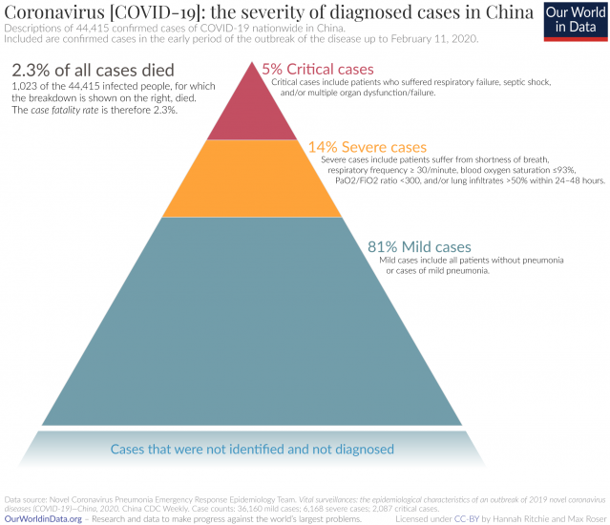
 |  |  |  | 36.5 | 0.1%
 |  |  |  | 475 | 1.7%
 |  |  |  | 27150

Sheet2
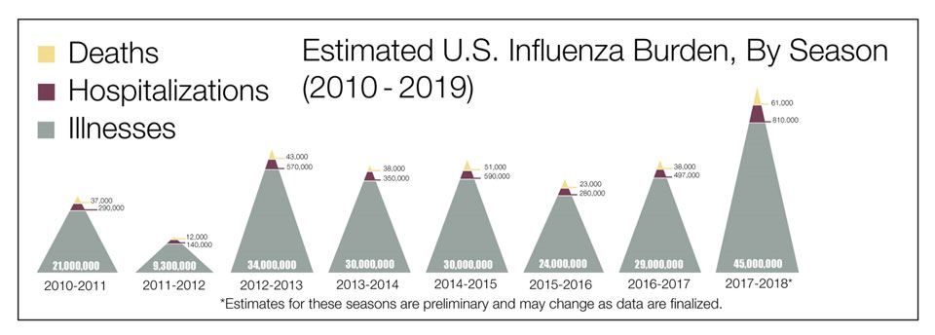
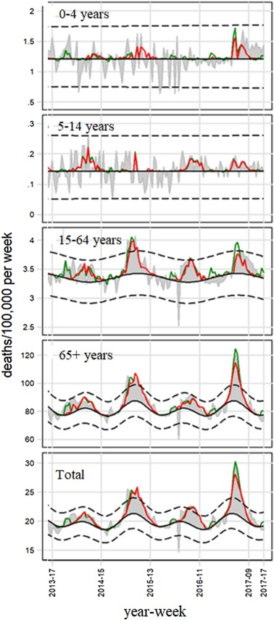
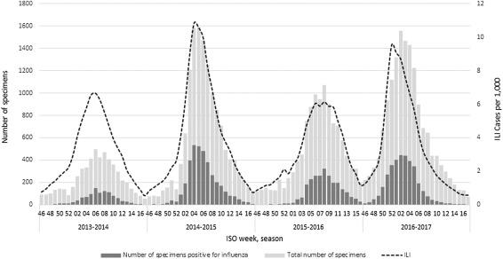
Per 100k |  |  |  |  |  |  |  |  |  | 0.15%
Season | Proportion of circulating influenza viruses | Vaccine match with circulating viruses | 0–4 years |  | 5–14 years |  | 15–64 years |  | Aged 65+ |  | Total
 |  |  | N. | Rate | N. | Rate | N. | Rate | N. | Rate | N. | Rate
 |  |  | 95% CI | 95% CI | 95% CI | 95% CI | 95% CI | 95% CI | 95% CI | 95% CI | 95% CI | 95% CI
2013/14 | A: 97% (H3: 58%; H1: 35%; Ans: 7%) | Good match | 10 | 0.37 | 21 | 0.36 | 831 | 2.11 | 8460 | 65.01 | 7027 | 11.56 | 0.07%
 | B: 3% (Yamagata: 95%; Victoria: 3%) |  | 3–20 | 0.1–0.7 | 11–32 | 0.2–0.5 | 406–963 | 1.8–2.4 | 7183–9803 | 55.2–75.3 | 5785–8347 | 9.5–13.7
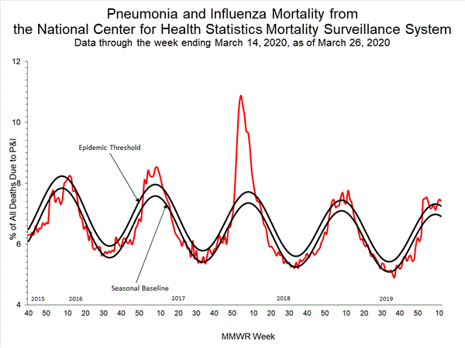
2014/15 | A: 84% (H3: 41%; H1: 52%; Ans: 7%) | A(H3N2) mismatch | 28 | 1.05 | 5 | 0·08 | 1364 | 3.48 | 19475 | 147.32 | 20259 | 33.32 | 0.15%
 | B: 16% (Yamagata: 97%; Victoria: 3%) |  | 19–39 | 0.7–1.5 | 3–8 | 0.0–0.1 | 1138–1602 | 2.9–4.1 | 16542–22567 | 125.1–170.7 | 18506–22064 | 30.4–36.3
2015/16 | A: 43% (H3: 56%; H1: 35%; Ans: 9%) | A(H3N2) mismatch | 0 | 0 | 15 | 0.27 | 977 | 2.5 | 10270 | 76.81 | 15801 | 26.05 | 0.08%
 | B: 57% (Yamagata: 5%; Victoria: 95%) |  | 0–4 | 0.0–0.1 | 8–23 | 0.1–0.4 | 815–1148 | 2.1–2.9 | 8723–11900 | 65.2–89.0 | 14434–17293 | 23.8–28.4
2016/17 | A: 95% (H3: 93%; H1: 1%; Ans: 6%) | Match with some aminoacidic substitution for the A(H3N2) component | 38 | 1.54 | 13 | 0.23 | 675 | 1.74 | 19404 | 143.43 | 24981 | 41.23 | 0.14%
 | B 5% (Yamagata: 4%; Victoria: 96%) |  | 26–53 | 1.0–2.1 | 7–20 | 0.1–0.4 | 563–793 | 1.4–2.0 | 17599–21267 | 130.1–157.7 | 23001–27014 | 38.0–44.6

